DA BI
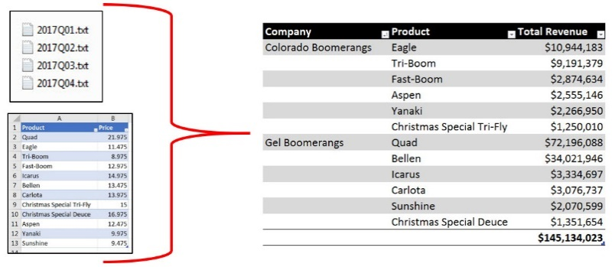
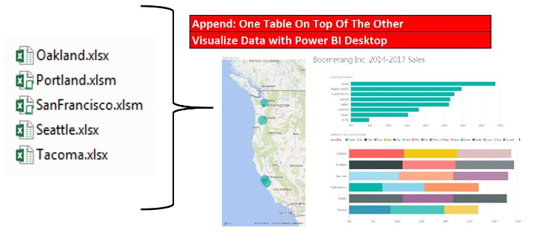
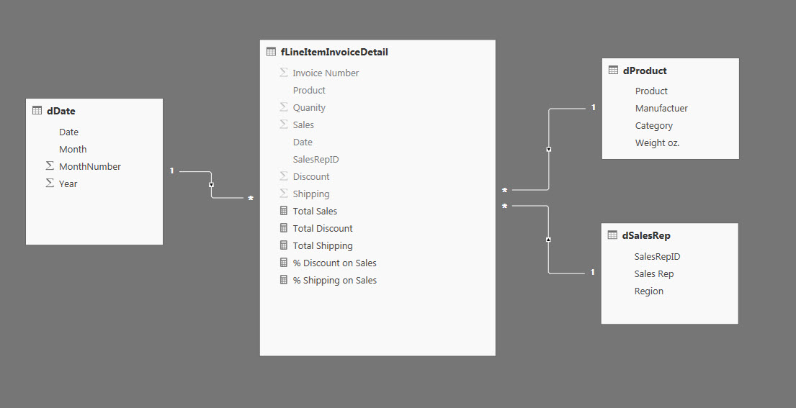
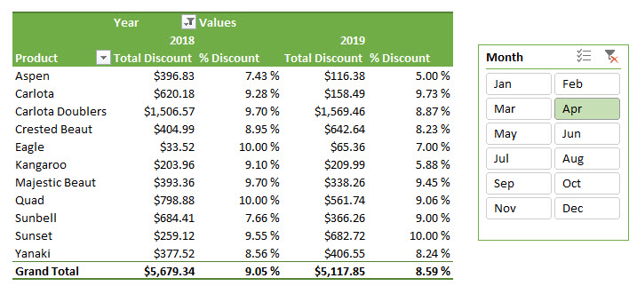
Data Analysis = Convert Raw Data into Useful Information for Decision Makers
Business Intelligence = Convert Raw Data into Useful/Actionable/Refreshable Information for Decision Makers in a Business Situation
Query = Ask a question. When we change criteria or filters in a Slicer and drag and drop a field in a PivotTable, we are changing the question / query.
Goal of Data Analysis and Business Intelligence: Create useful, updateable, actionable information for decision makers

Proper Data Set
Proper Data Set = Data Table with Field Names in first row and Records in subsequent rows.
In Excel you must have empty cells or Column/Row headers around the Proper Data Set in order for the Excel & Power Tools to work.
Field Names / Column Names / Header Names =
Fields define what type of data goes into the column
Naming = Name all tables, fields and other items: 1) smartly and 2) consistently

Fields = Column = Headers
in first row
Example 1: Proper Data Set in Excel. |  |  |  |  | Data Type =
 |  |  |  |  | What type of data is it? Date, Number, Text and so on?
Date | Units | SalesRepKey | ProductKey | Sales | Traditionally, in Excel we do not have Data Types.
10/20/17 | 44 | 1 | 4 | $620.95 | Power Tools will have to define Data Types if we want our analysis to work correctly.
10/20/17 | 37 | 1 | 3 | $484.31 | Most of the time we will define Data Types using Power Query.
Records in each row
10/20/17 | 38 | 2 | 5 | $376.69
Records in each row
10/20/17 | 82 | 2 | 1 | $1,141.96
10/20/17 | 56 | 3 | 2 | $725.45 | Example 2: Proper Data Set in a Text File.
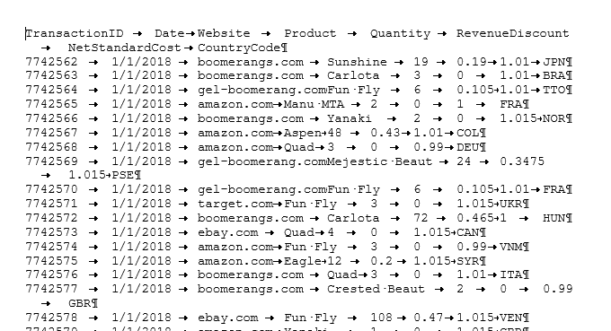
10/20/17 | 25 | 3 | 2 | $222.67
10/20/17 | 130 | 4 | 3 | $1,038.10
10/21/17 | 10 | 3 | 1 | $154.41
10/24/17 | 82 | 5 | 5 | $1,236.00
10/24/17 | 53 | 3 | 4 | $684.48
10/24/17 | 12 | 5 | 6 | $127.10
10/24/17 | 22 | 4 | 5 | $269.52
In Excel, empty cells or row/column headers all around data set
10/25/17 | 82 | 3 | 7 | $739.69
10/25/17 | 172 | 1 | 7 | $1,201.01
10/25/17 | 78 | 4 | 6 | $546.06
10/25/17 | 12 | 3 | 1 | $162.45

Example 3: Proper Data Sets and Smart and Consistent Naming in a Data Model:

R
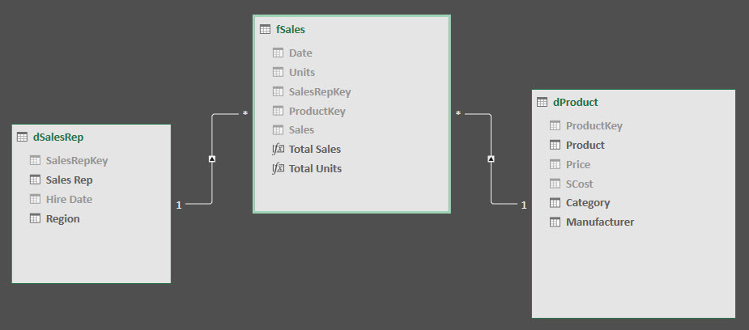
Relationships
Connects tables so we can build solutions based on fields from multiple tables.
Relationships between tables allows us to:
1) Use Criteria from Dimension tables to filter Fact Table Calculations (Measures)
* The Arrow Direction on the Relationship Arrow indicates the direction of the filter (From Dimension to Fact Table).
* What makes the filtering of a Fact Table so efficient, is that a Measure (Formula) will then have to make its calculation over fewer rows.
Compared to Array Formulas in Excel which must calculate over entire unfiltered column which can result in very slow calculation time.
2) Lookup values
** For Excel people, it helps avoid VLOOKUP driven solutions that may have many spreadsheet formulas that slows down query time (change criteria on report)

Types of Relationships:
One-To-Many
Many-To-Many
One-To-One

Relational D
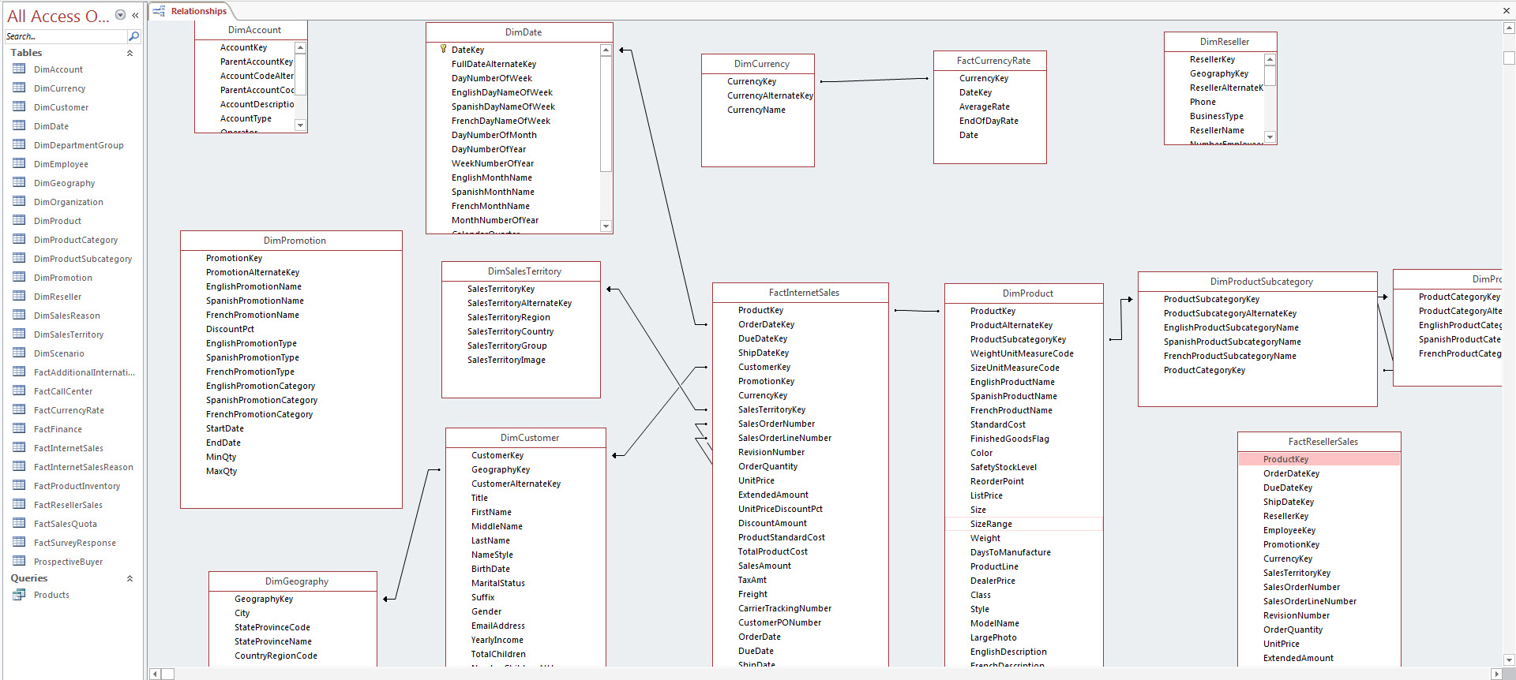
Relational Database
Database that stores company’s raw data with the goals of 1) no-redundancy and 2) accuracy.
Relational databases can have many tables and many relationships between tables.
Relational databases serve the goal of storing raw data with accuracy, but they can be complicated to navigate, and queries may not perform as fast as is necessary for end users creating reports.
In this class when we connect to a Relational Database, we will use Power Query to extract the necessary data and then transform it and load it into the Data Model.

Data Analysis
 | Define: Data Analysis / Business Intelligence:

Bad Data
Date | Region / SalesRep | Sales | Date | Region | SalesRep | Sales
10/20/17 | West / Gigi | 620 | 10/20/17 | West | Gigi | $620
10/20/17 | Northwest / Gigi | 484 | 10/20/17 | Northwest | Gigi | $484
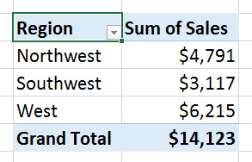
10/20/17 | West / Freddy | 376 | 10/20/17 | West | Freddy | $376
Proper Data Set with Raw Data
10/20/17 | Northwest / Freddy | 1141 | 10/20/17 | Northwest | Freddy | $1,141
Sum of Sales by Region
10/20/17 | Northwest / Chin | 725 | 10/20/17 | Northwest | Chin | $725
10/20/17 | West / Chin | 222 | 10/20/17 | West | Chin | $222
10/20/17 | West / June | 1038 | 10/20/17 | West | June | $1,038
Cleaned to Become
10/21/17 | Northwest / Chin | 154 | 10/21/17 | Northwest | Chin | $154
Into
10/21/17 | Northwest / Gigi | 205 | 10/21/17 | Northwest | Gigi | $205
Useful Information
10/21/17 | Southwest / Gigi | 895 | 10/21/17 | Southwest | Gigi | $895
10/21/17 | West / Chin | 1254 | 10/21/17 | West | Chin | $1,254
10/22/17 | Northwest / June | 596 | 10/22/17 | Northwest | June | $596
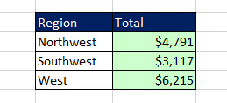
10/24/17 | Southwest / Gigi | 799 | 10/24/17 | Southwest | Gigi | $799
10/24/17 | Northwest / Gigi | 651 | 10/24/17 | Northwest | Gigi | $651
10/24/17 | West / June | 1235 | 10/24/17 | West | June | $1,235
10/24/17 | Southwest / Chin | 684 | 10/24/17 | Southwest | Chin | $684
10/24/17 | Northwest / June | 127 | 10/24/17 | Northwest | June | $127
10/24/17 | West / June | 269 | 10/24/17 | West | June | $269
10/25/17 | Southwest / Chin | 739 | 10/25/17 | Southwest | Chin | $739
10/25/17 | West / Gigi | 1201 | 10/25/17 | West | Gigi | $1,201
10/25/17 | Northwest / June | 546 | 10/25/17 | Northwest | June | $546
10/25/17 | Northwest / Chin | 162 | 10/25/17 | Northwest | Chin | $162

 |  |  |  |  |  |  | Region | Sum of Sales
 |  |  |  |  |  |  | Northwest | 4791
 |  |  |  |  |  |  | Southwest | 3117
 |  |  |  |  |  |  | West | 6215

DA & BI
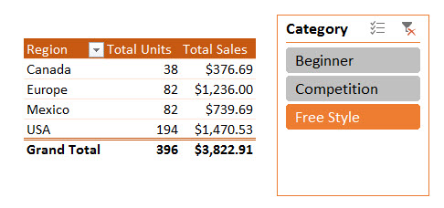
Define: Data Analysis / Business Intelligence:

Source Data
Star Schema Data Model

Cleaned, Transformed & Loaded to Become

Into
Useful Information

